Bug Tracker
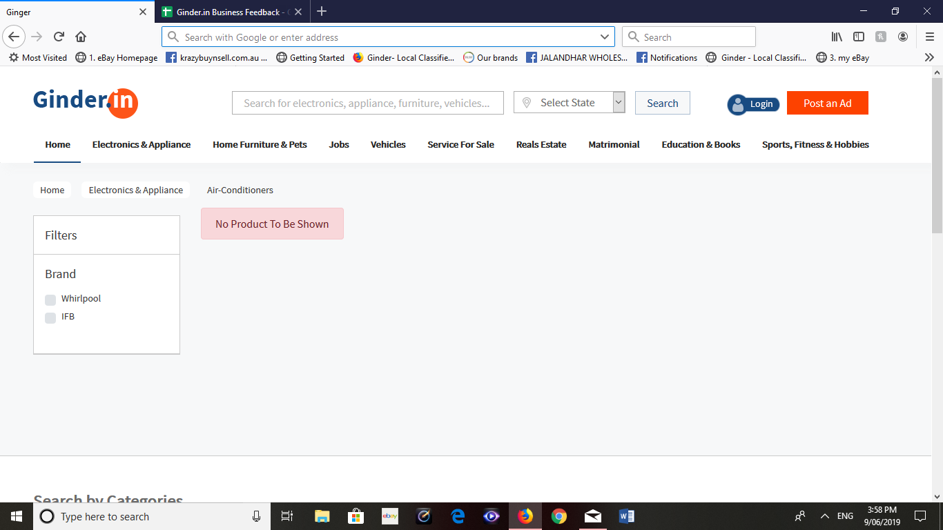
Error page | Error Type | Error Description | Screen Shot | Priority | Comments
http://18.220.150.223/ginder/products/view/10 | No product to be shown | Instead it should say " we are sorry but there are no ads available in this category" |  | soon | Done
 |  | this is everywhere, under all the empty categories with no ads, we need to change
 |  | this as its no helping

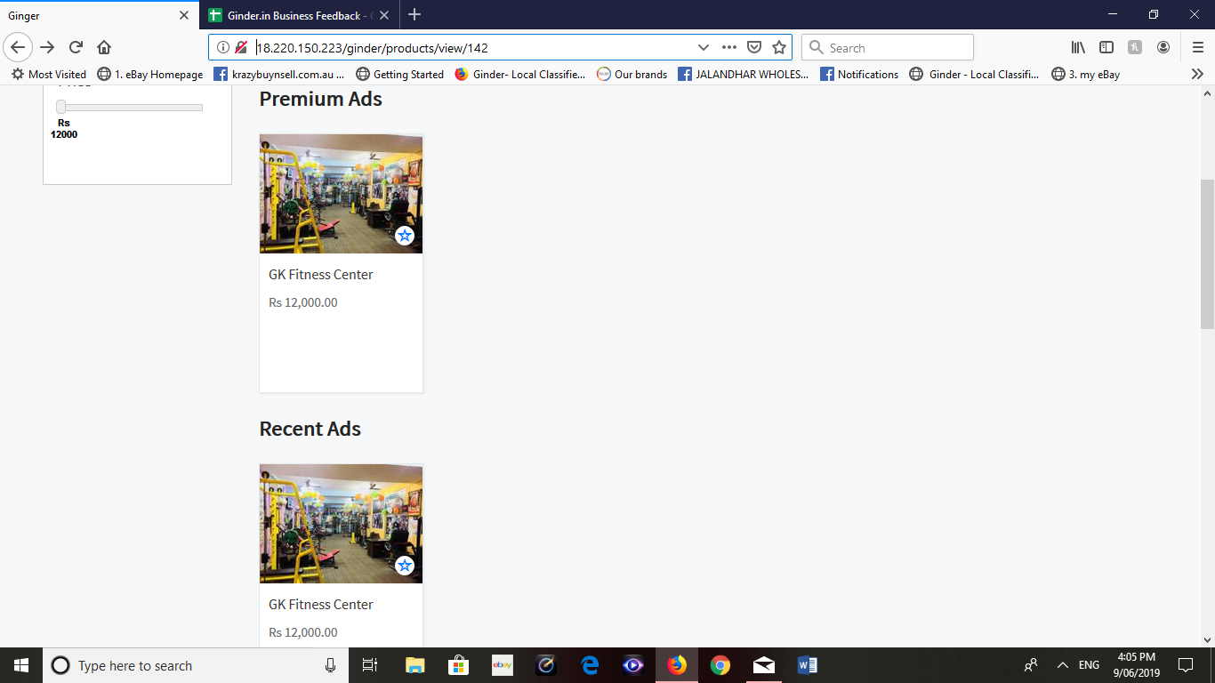
http://18.220.150.223/ginder/products/view/142 | same ad is shown in | i open a gym categries and there was only one ad live and it was shown in |  | sooner | This product is premium ads that's why coming up in premium ads and recent ads
 | premium and recent | premium and recent ad, when i believe that we shouls only show recent ads until
 |  | we do get any premium, i mean we don't have to show same ads in premium if we
 |  | don't have any. premium section should say "post your ad as premium ad" or
 |  | something really good wording.

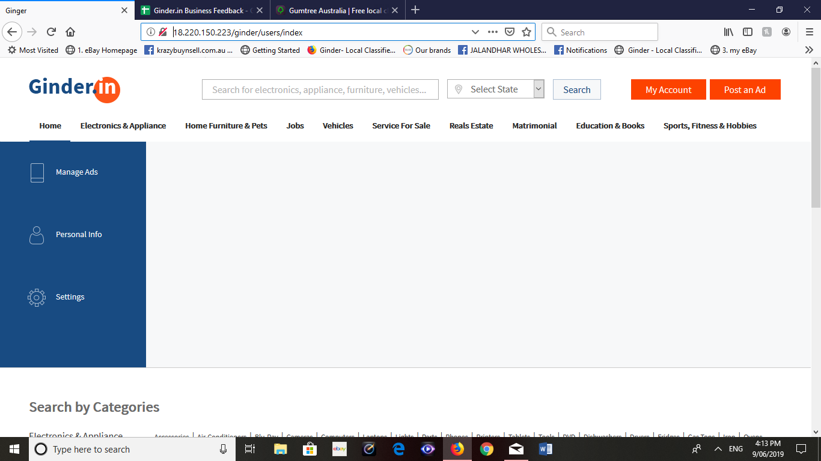
http://18.220.150.223/ginder/users/index | no inbox | we need to provide a customer with inbox oe messages, so they can contact the |  | sooner | Please explain
 |  | advister or keep record of their chat.

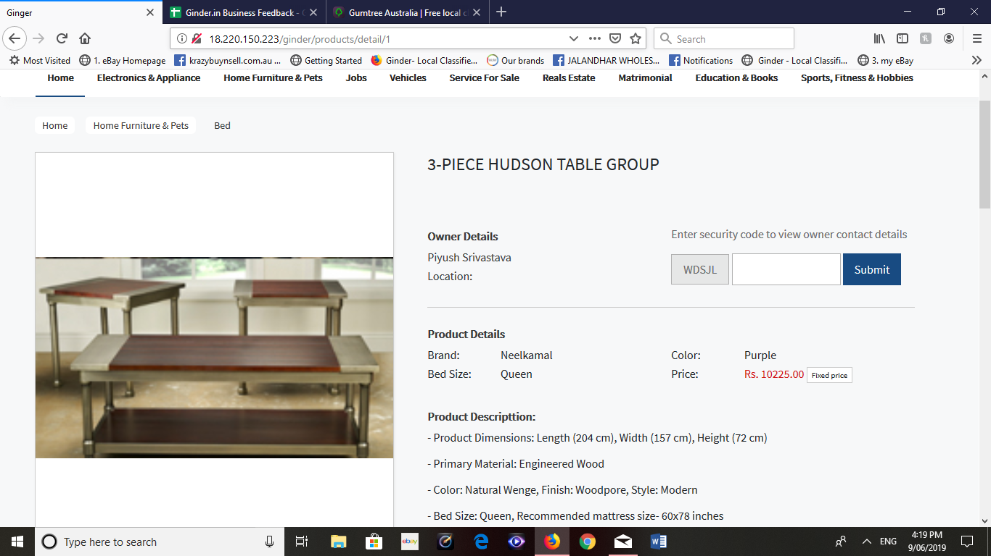
http://18.220.150.223/ginder/products/detail/15 | security code | same security code has been shown at every single ad, if you look through all |  | sooner | Pending
http://18.220.150.223/ginder/products/detail/20 |  | these ads you will see same security code WSDJL everywhere i tried to put
http://18.220.150.223/ginder/products/detail/1 |  | that in but it didn't work as well.

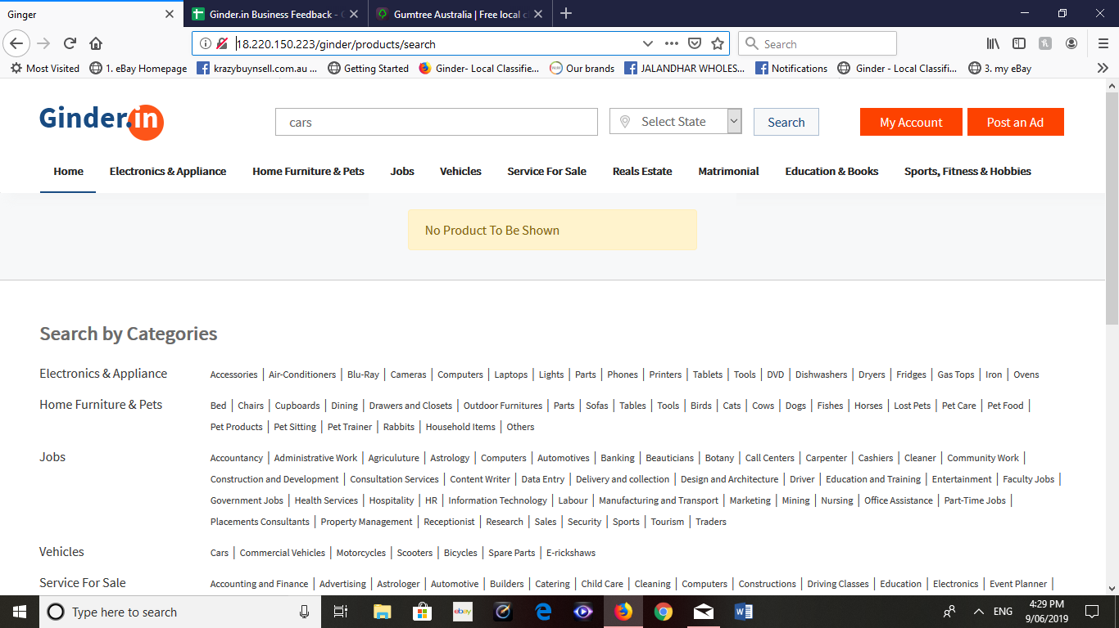
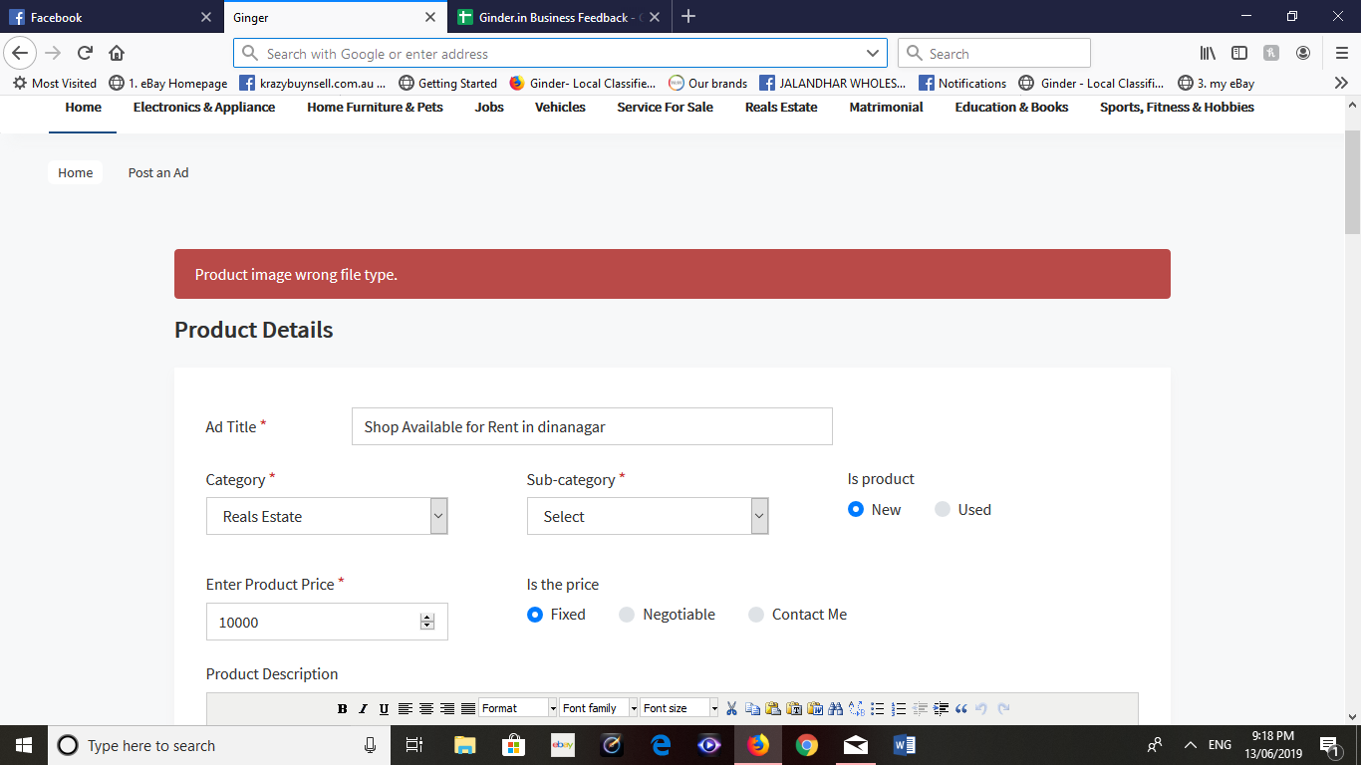
http://18.220.150.223/ginder/products/search | search error | i searched the cars in delhi and nothing showed up and then searcched cars |  | sooner | Done
 | state error | without selecting state it still came up "no products to be shown", we need to make
 |  | search more freindly and helpful to people, just like google, if we search something
 |  | on google if they don't have anything to show they will ask you to try something
 |  | different or will pick up correct word for it. can we please do the same in our website

 |  | alsso we need corporate cities instead od states as people will be looking in
 |  | their cities not entire states i believe.

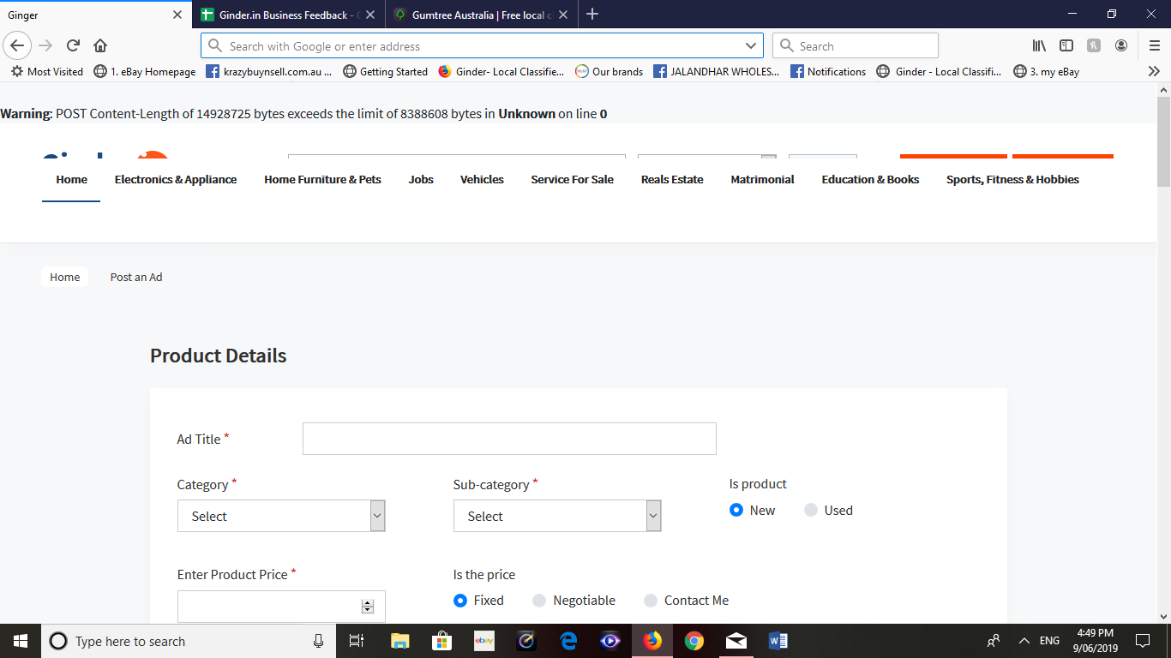

http://18.220.150.223/ginder/users/post_an_ad/ | posting an ad error | So, i was trying to post an ad, i put 4 images, i don't know the actual size
 |  | also i selected yes, i want promote my ad and then i pressed publish my ad, at |  | sooner | Please provide us the images
 |  | that time i received this error from the website for some reason it didn't posted my
 |  | ad online, i guess my files was bigger, in that case it should say remove your
 |  | images or something and it should not let me press publich my ad button until
 |  | it has met the required citeria. This need to be looked asap, also if we can ad live
 |  | update of images getting uploaded instead of waiting until you press publish my ad

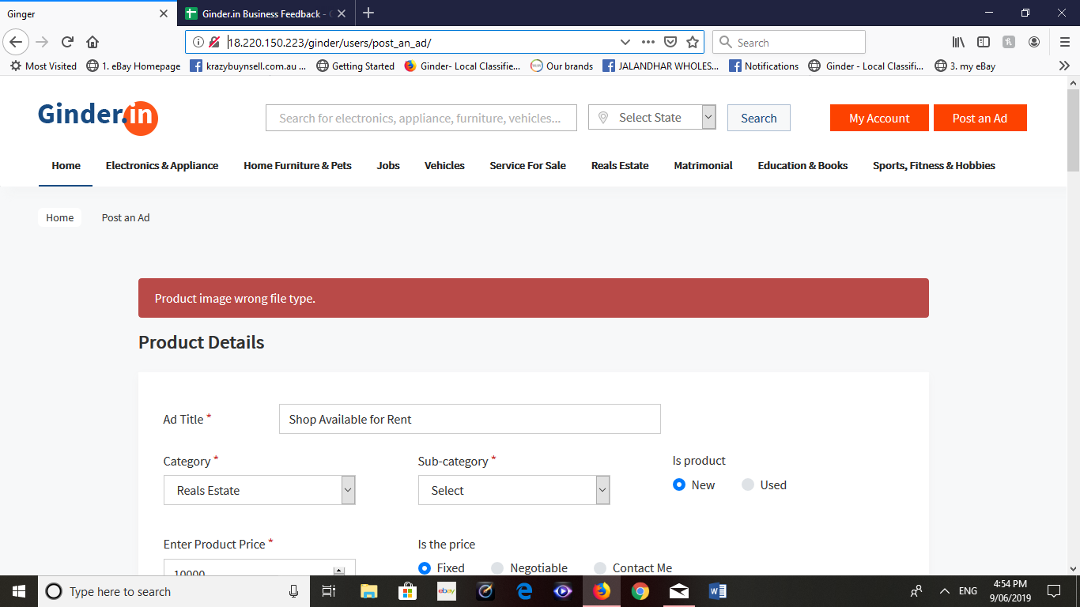
http://18.220.150.223/ginder/users/post_an_ad/ | wrong imaage type | I tried posting another ad, with only 2 images both were.JPG files and it has some |  | sooner | Please provide me the .jpg file to check our end
 |  | "product wrong file type", when they both were .jpg I dont why this is the error
 |  | in it

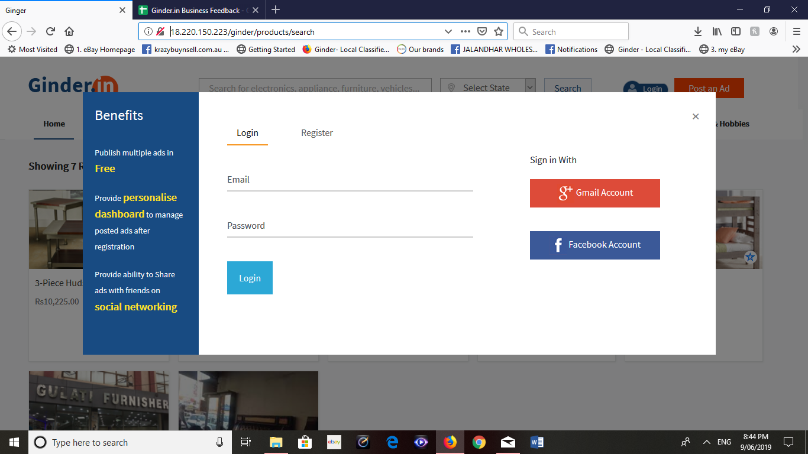
http://18.220.150.223/ginder/products/search | Facebook and google | I tried to log in through facebook and google, but they ain't connected. |  |  | Pending
 | login not connected |  |  | soon

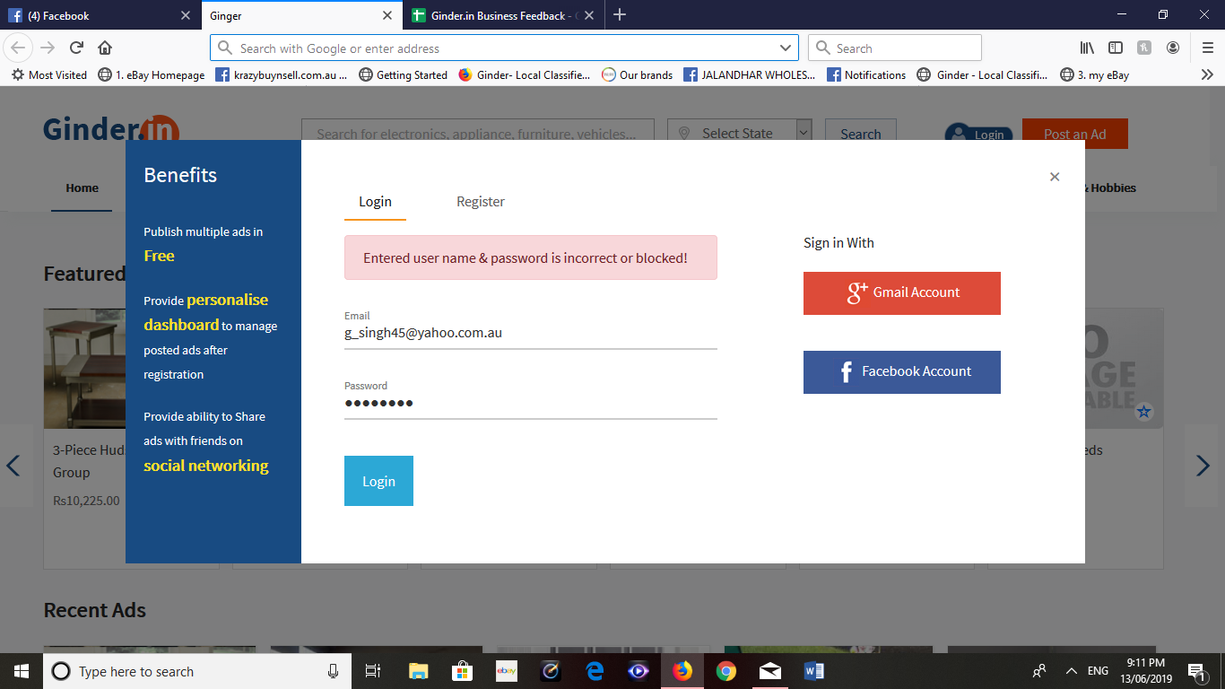
http://18.220.150.223/ginder/ | unable to login | i tried logging into system but it won't let me. as it was saying my user name |  | soon | Please provide me the emailid to check
 |  | and password is incorrect or blocked and then i tried to register with different email
 |  | it said its already registered email.

http://18.220.150.223/ginder/users/post_an_ad/ | unable to post an ad | i tried everything to post an ad on website but its keep coming up as wrong image
 |  | type even when i choose.jpg file only. can you please fix this issue. |  | soon | Please provide me the .jpg file to check at our end

